Guide Template_old
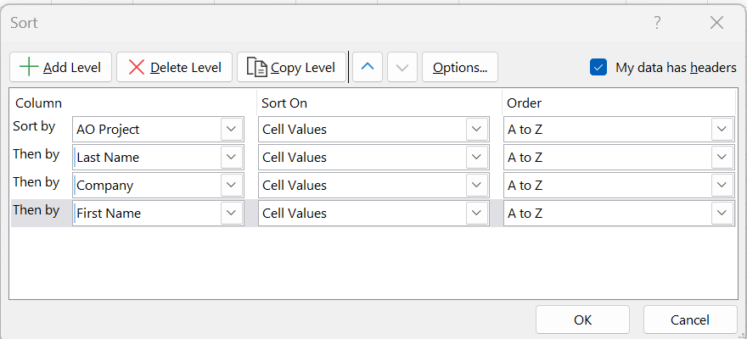
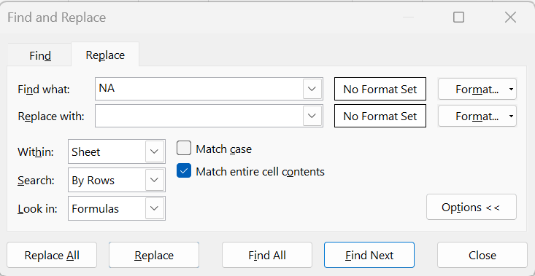
 | First Name | Last Name | Company | Site Address | Site City | Site State | Site Zip Code | APN/PIN | Site Municipal | Site County | Lot Size | Street | Address Line 2 | City | State | Zip/Postal Code | Phone | Other Phone | Mobile | Phone 1 (Site Address) | Phone 2 (Site Address) | Phone 3 (Site Address) | Phone 1 (Mailing Address) | Phone 2 (Mailing Address) | Phone 3 (Mailing Address) | Email | AO Project | Group | Site # | AO Link | Site Tier | Utility | Market | Lead Status | IRA Status

Delete column |  |  |  |  |  |  |  |  |  |  |  |  | Delete if not needed |  |  |  | Paste Here |  |  | Pick Site or Mailing (whichever is better), then paste into phone |  |  |  |  |  |  |  | Flash fill with info |  |  |  |  |  |  | check to make sure no 1s/0s made it in depending on star system

Guide Template_new
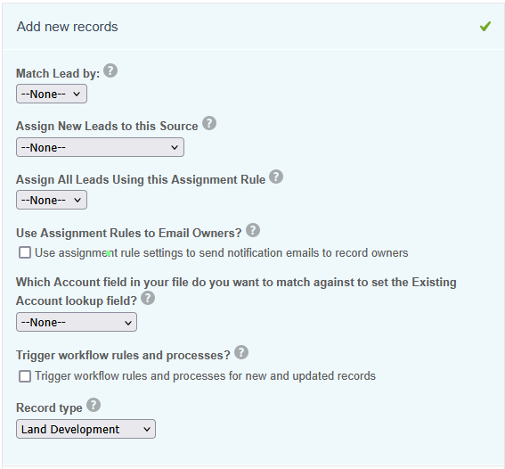
 | First Name | Last Name | Company | Site Address | Site City | Site State | Site Zip Code | APN/PIN | Site Municipal | Site County | Buildable Area (Acres) | Lot Size | Street | Address Line 2 | City | State | Zip/Postal Code | Phone | Other Phone | Mobile | Email | AO Project | Group | Site # | AO Link | Site Tier | Utility | Market | Lead Status | IRA Status | Site Lat/Long | Robust ID | Substation | Distance to Substation

delete |  |  |  |  |  |  |  |  |  |  |  |  |  | delete if not needed |  |  |  |  |  |  |  |  | fill in this info | fill in this info |  |  |  |  |  |  |  |  | fix these names, AO exports refer to them strangely

